Tabelle1
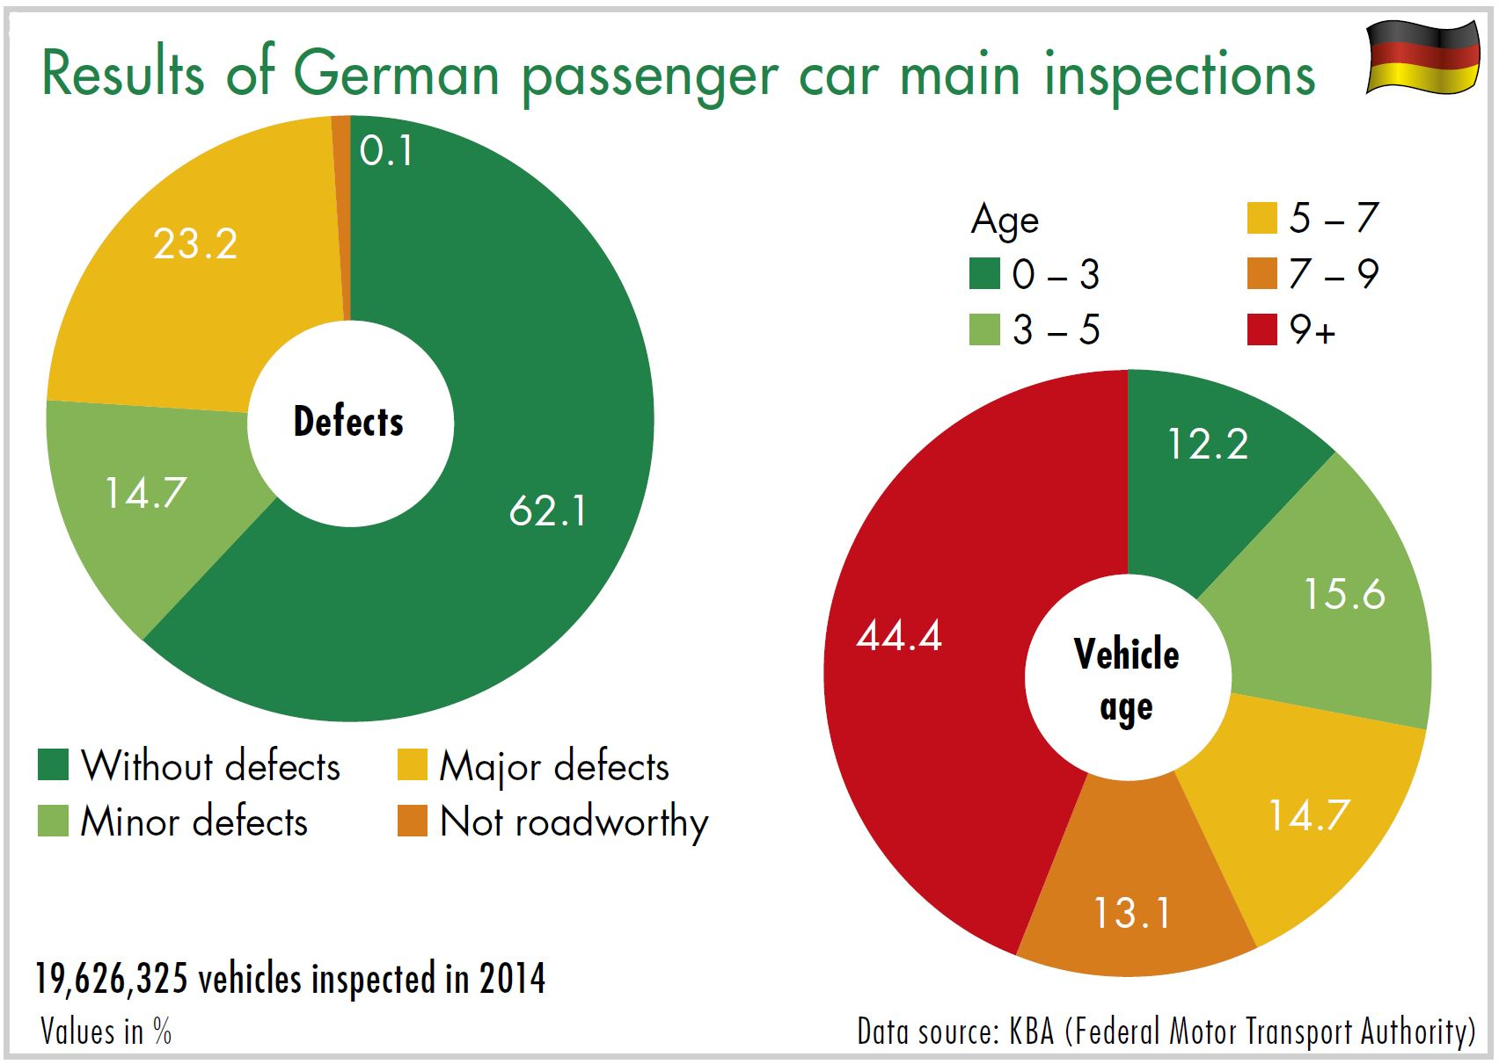
Download: www.dekra-roadsafety.com, state 2016

Car 2014
 | Without defects |  | Minor defects |  | Major defects |  | Not roadworthy |  | Age unknown
up to 3 | 2,153,144 | 89.7 | 99.47 | 4.1 | 147.623 | 6.2 | 99 | 0.0 | 5
over 3 to 5 | 2,513,399 | 81.6 | 243.274 | 7.9 | 323.434 | 10.5 | 256 | 0.0 | 9
over 5 to 7 | 2,066,633 | 71.5 | 347.409 | 12.0 | 477.107 | 16.5 | 449 | 0.0 | 21
over 7 to 9 | 1,615,588 | 62.8 | 373.814 | 14.5 | 581.596 | 22.6 | 770 | 0.0 | 17
over 9 | 3,860,784 | 44.2 | 1,824,014 | 20.9 | 3,033,850 | 34.8 | 1.049 | 0.1 | 72
Classification unknown | 3.206 |  | 473 |  | 1,082 |  | 1
 | 12,212,754 |  | 2,888,454 |  | 4,564,692 |  | 12.065 |  | 124 | 19,677,965

